Diesel Gasoline split
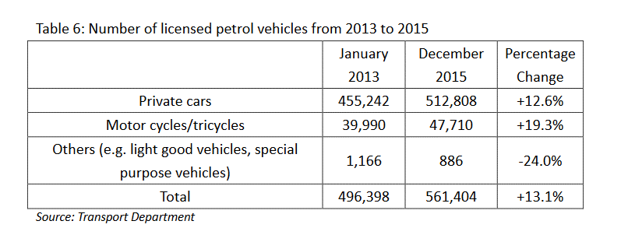
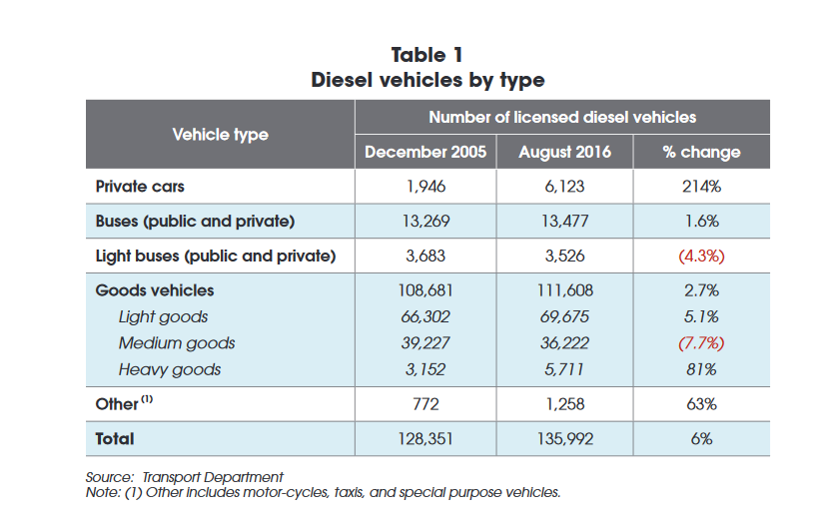

Fraction of Diesel cars: | 0.010939476449
Fraction of gasoline cars: | 0.98906052355

Fraction of Diesel buses: | 0.80889628925
Fraction of gasoline buses: | 0.19110371075

MTR
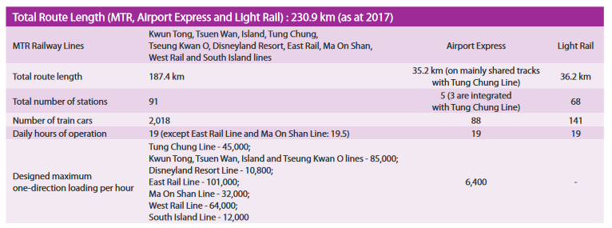

2018 |  | 88 | 141

2247 | number of total rail cars
281 | number of locomotives assuming an average of 8 cars per train
161 | Tramways
442 | Rail Vehicles

